Excel Instructions
Excel Sheet Instructions (Brief) See instructions document for additional, functional details and recommendations (posted at https://engstandards.lanl.gov/specs.shtml
1. Edit headers to update the project title, PID, ESR, DCF, and Rev. to reflect the current project. If the title heading is not visible, change the display setting at the bottom right-hand side of the template from ‘Normal’ to ‘Page Layout’.
2. When using 'Table 3 - Submittal Log', type 'Y' in column M to indicate the spec section and submittal rows relevant to the current project.
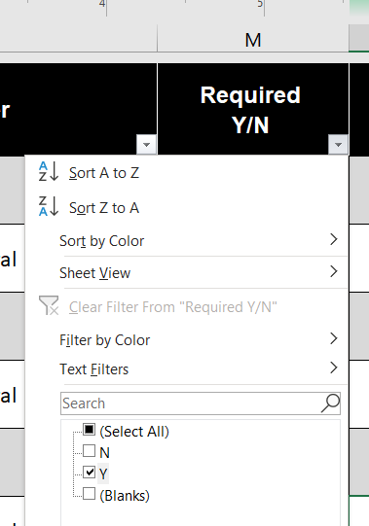 3. When preparing to print, filter column M in 'Table - 3: Submittal Log' to only print the project-specific spec sections.
3. To print just the tables all together, select 'Table 1 - Log Acronyms', press CTRL and select 'Table 2' and 'Table 3'; this groups the tables and they can be printed using File> Print
CTRL
File
Print
The tables can be ungrouped by right clicking on the grouped sheets selecting the 'Ungroup' option
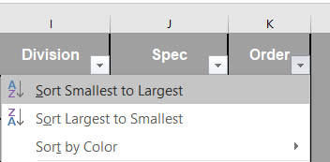 4. If the table rows become out-of-order due to sorting, put back in order by column 'K' from 'Smallest to Largest'.
FOR HELP ON THE USE OF THIS FILE OR TO MAKE SUGGESTIONS, PLEASE CONTACT: - Forrest Blackburn, ES-IPD, 505-695-4062 - COE Standards: stdsweb@lanl.gov - Tobin Oruch, ES-FE, 505-665-8475 Version 2022-12-15

